Information
Stability and Loading Guidance for Fishermen

Overview:

Fishing is the most dangerous industry in the UK, and most countries of the world.
Although there are many causes of accidents, most of the fatalities are caused by capsize or
swamping because they occur without warning and with little prospect of survival. Safety is
dependent on the stability and seaworthiness of the vessel, and its size in relation to the
seastate. Small vessels, therefore, are particularly vulnerable, but they are the ones for
which no stability calculations are required.
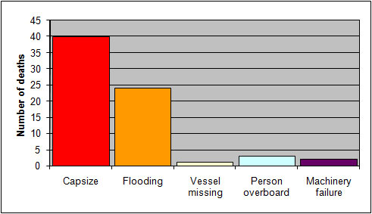

Deaths on UK fishing vessels under 15m, 1991 - 2007

Stability Notice:

The guidance information described here is intended to provide fishermen with some
indication of their level of safety in terms of their loading and lifting, and in relation to the
seastate. The method was developed in
Research Project 559
conducted for the MCA. Although it is simple for the user, the development incorporated the
findings of extensive model tests on a wide range of hull forms and loading cases, and may
be applied to any type of vessel.

The basic recommendation is for all vessels to display a Stability Notice in a prominent
position in the wheelhouse. This notice provides guidance on how certain loading or lifting
operations will reduce the safety of the vessel, and on the limiting seastates in which such
operations should be conducted. Three safety zones are defined, and assigned the colours
green, amber and red on the Stability Notice to represent their relative levels of safety.

'Safe' in all but extreme seastates
'Low level of safety' and should be restricted to low seastates
'Unsafe, and danger of capsize' unless restricted to calm conditions and with extreme caution

For vessels with no stability information the guidance is based on the residual freeboard
when loaded or lifting heavy loads, and the freeboards referred to on the Stability Notice
should be marked on the side of the vessel using a standard Freeboard Guidance Mark. The
mark should be positioned at the lowest freeboard, or where the freeboard becomes lowest
when lifting.

The only vessel dimensions required for the calculation are the overall length and beam.
This spreadsheet will calculate the freeboards and associated seastates for your vessel, and
can be used to print a Stability Notice to be placed on board. It also provides the dimensions
of the Freeboard Guidance Mark.

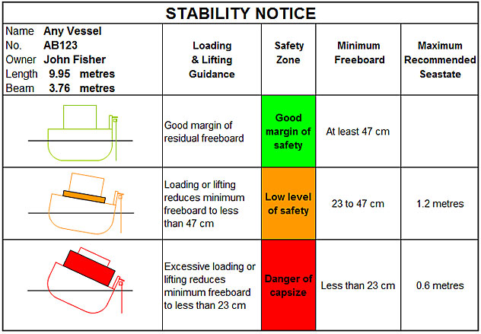

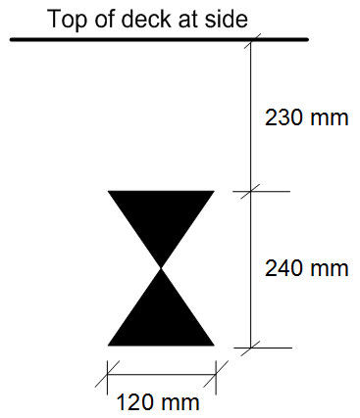

Freeboard Guidance Mark - Size and Location

It is not expected that fishermen will attempt to view the freeboard guidance marks when
loading at sea, but that they will become familiar with their location to increase their
awareness of how the residual freeboard affects their level of safety. Capsize prediction
cannot be precise because there are too many changing factors. This approximate method of
guidance should help to increase awareness of the dangers of low freeboard, and of heeling
vessels to large angles by lifting heavy loads.

Process description:

First, input vessel data using the |  | Data Input Page

Then check your Stability Notice and Freeboard Guidance Marks in the
Decked Vessel Page | or in the
Undecked Vessel Page

